Sheet1
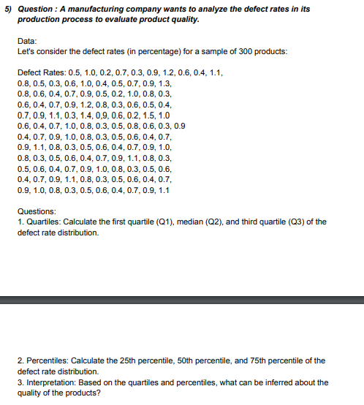
 |  |  |  | ANSWERS
0.5 | 0.6 | 0.9 | 0.3 | QUARTILE | Q1 | 0.4
1 | 0.4 | 0.4 | 0.5 |  | Q2 | 0.7
0.2 | 0.7 | 0.7 | 0.6 |  | Q3 | 0.9
0.7 | 0.9 | 0.9 | 0.4 | PERCENTILE
0.3 | 1.2 | 1 | 0.7 |  | 25th | 0.4
0.9 | 0.8 | 0.8 | 0.9 |  | 50th | 0.7
1.2 | 0.3 | 0.3 | 1 |  | 75th | 0.9
0.6 | 0.6 | 0.5 | 0.8 | INTERPRETATION | 1. Quartile: The quartiles are divided into three parts i.e: Q1 or Lower Quartile which is 0.4 , the median or the Q2 quartile is 0.7 , Q3 or the upper Quartile is 0.9.
0.4 | 0.5 | 0.6 | 0.3 |  | 2. Percentile: 25% of the defect is 0.4%, 50% of the defect is equal to or 0.7%, 75% of the defect is equal to 0.9%.
1.1 | 0.4 | 0.4 | 0.5
0.8 | 0.7 | 0.7 | 0.6
0.5 | 0.9 | 0.9 | 0.4
0.3 | 1.1 | 1.1 | 0.7
0.6 | 0.3 | 0.8 | 0.9
1 | 1.4 | 0.3 | 1.1
0.4 | 0.9 | 0.5 | 0.8
0.5 | 0.6 | 0.6 | 0.3
0.7 | 0.2 | 0.4 | 0.5
0.9 | 1.5 | 0.7 | 0.6
1.3 | 1 | 0.9 | 0.4
0.8 | 0.6 | 1 | 0.7
0.6 | 0.4 | 0.8 | 0.9
0.4 | 0.7 | 0.3 | 1
0.7 | 1 | 0.5 | 0.8
0.9 | 0.8 | 0.6 | 0.3
0.5 | 0.3 | 0.4 | 0.5
0.2 | 0.5 | 0.7 | 0.6
1 | 0.8 | 0.9 | 0.4
0.8 | 0.6 | 1.1 | 0.7
0.3 | 0.3 | 0.8 | 0.9
 |  |  | 1.1

